Sheet1
 |  | Document No. | Issue No. | Issue Date |  |  | Review and Replace Date |  | Authorised By
 |  | GFF0119MC | 1 | 05.09.2019 |  |  | New Issue
 |  | Document Title | CREAMY MUSHROOM & BUTTER BEAN BAKE 460g
 |  |  | Page 1 of 1 |  | Clause |  |  | 6.1 | Magda Shah
Document amendments reason for change |  | New product launch |  |  | Previous Issue Date |  |  | New Issue | Uncontrolled copy unless signed original

FVCHST-R8TMC | MINDFUL CHEF |  | CREAMY MUSHROOM & BUTTER BEAN BAKE 460g │ FROZEN
STEP 1 |  |  |  |  |  | STEP 3
 |  |  |  |  |  | 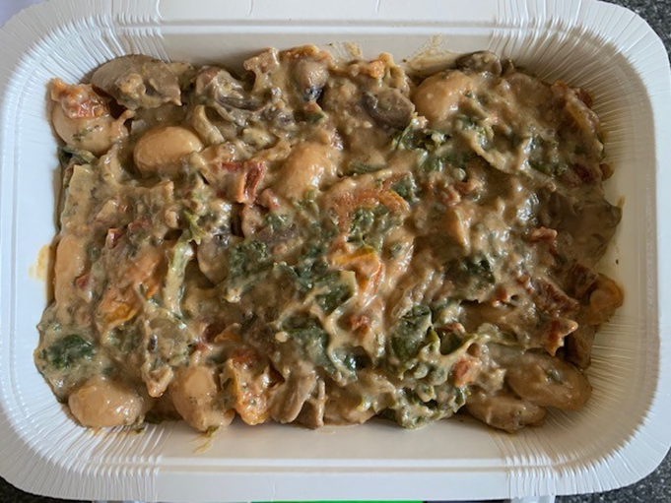

Tray: WHITE OVENABLE BOARD TRAY (PKSOU002-01) |  |  |  |  |  | Bean Bake Mix (GFF267R) : 435g
Film: 145 X 100 X 250 (PKWRA001-07)
STEP 4
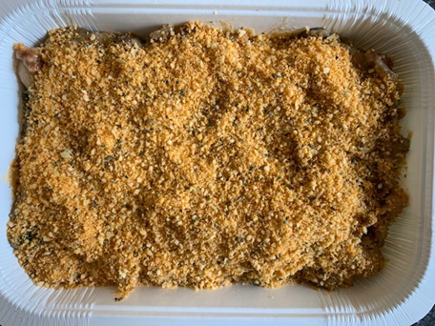 |  |  |  |  |  | 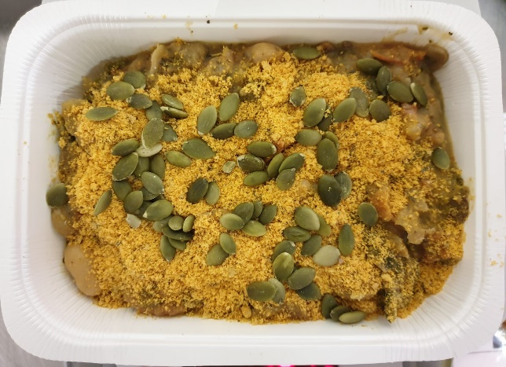

PACK DAY
+
1 YEAR

Crumb Mix (GFF268R) 15g |  |  |  |  |  | Pumpkin Seed (RMBAK001-03) 10g |  |  |  | TOTAL WEIGHT: 460g

ALLERGY ALERT: NUTS

